Calculator
SLOPE METHOD: Calculation of S electrode placement

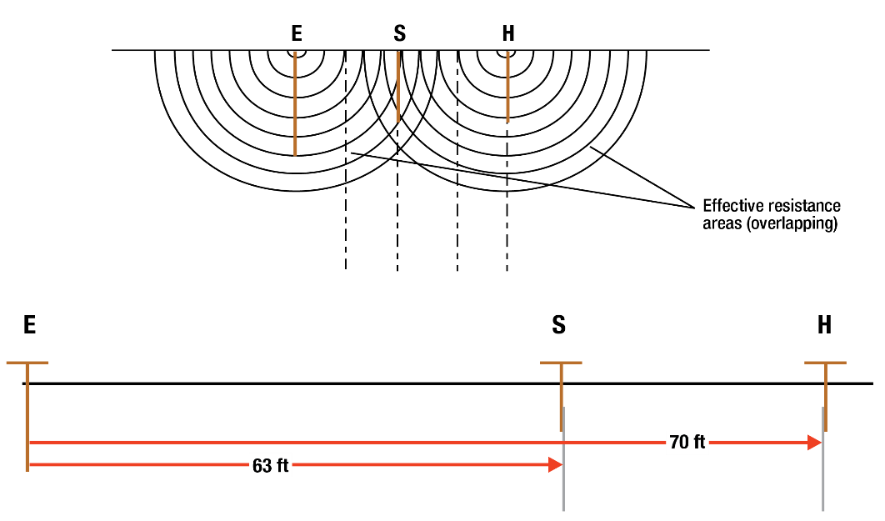
H (ft) | 90
R1 20% (ft) | 18 | 58.15 | Ω
R2 40% (ft) | 36 | 60.20 | Ω
R3 60% (ft) | 54 | 61.10 | Ω

Slope (µ) = | 0.439 | µ = (R3-R2)/(R2-R1)
PT/C | 0.6376
S = | 57 | ft S = H*X

1. Enter the distance for the H electrode placement in yellow cell B9
2. Enter the 20, 40 and 60% resistance measurements in yellow cells C10, C11, and C12
(Red cells B10, B11, B12, and B14 are protected. You cannot enter data in them.)
3. Take note of the calculated slope-variation coefficient µ in cell C14
4. On the Table tab look for the value PT/C correspondoing to the "µ" coefficient

Orange cell B16 is the calculated result which indicates the location for the S electrode
placement to obtain the ground resistance reading.

